TECHNICAL SHEET GARMENT
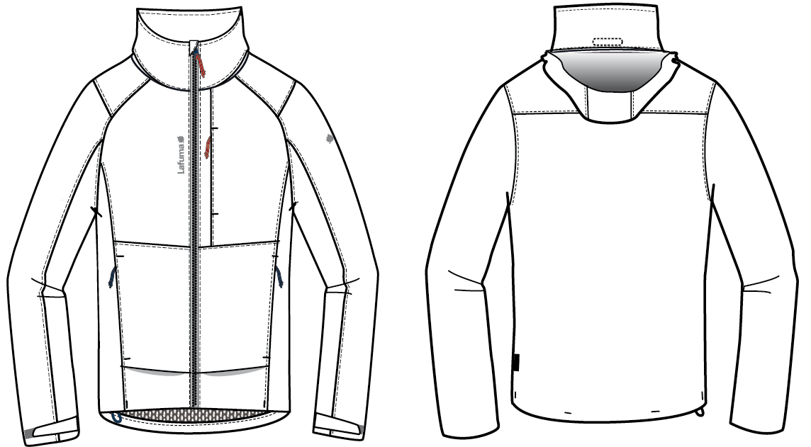
 |  | TECHNICAL SHEET GARMENT | WINTER 2018/19
LFV11301 |  | WAY JKT | INDEX | V1BULK
FABRIC / SUPPLIER : DT-1693 / DRYTEX |  |  | DEVELOPPER |  | Marjorie
DATE | 2018-01-08 |  | SUPPLIER : |  | PRIMA CHANNEL

DETAILS OUTER JKT 1
 |  | DETAILS JKT |  | WINTER 2018/19
LFV11301 |  |  | WAY JKT | INDEX | V1BULK
FABRIC / SUPPLIER : DT-1693 / DRYTEX |  |  |  | DEVELOPPER |  | Marjorie
DATE | 2018-01-08 |  |  | SUPPLIER : |  | PRIMA CHANNEL
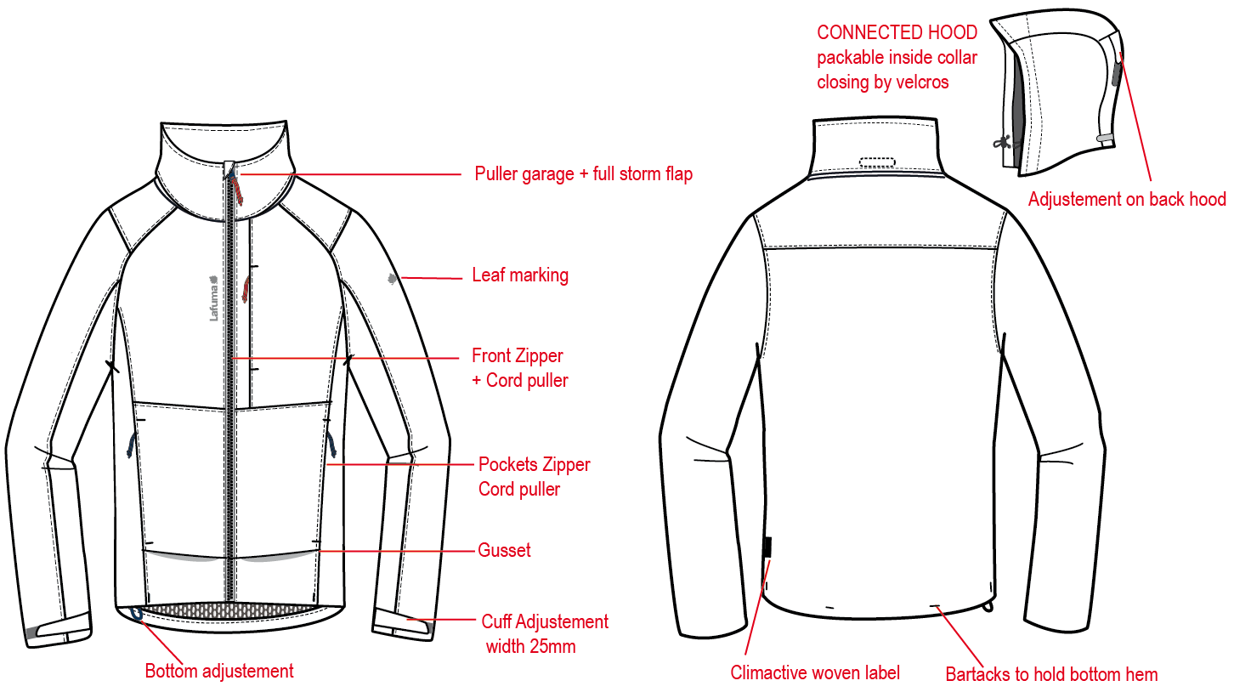
※剪接壓臨邊單針
外領蓋片內底端車3個黏扣帶勾面1.2cmx6cm。內領裡車3個黏扣帶毛面1.2cmx6cm,帽子可收入領內。
帽底車3組黏扣帶毛面1.2cmx6cm可與外領片黏合。
表布A袋唇,上下打橫結加強,袋口車#5尼龍反拉+拉繩,壓臨邊單針。袋裏表布A袋貼+210T布。

RAGLAN SLEEVE ON FRONT

B
穿者右側表布內擋風片寬2.5cm。壓臨邊線,頂端向外反折H:1"。
A
前袖為拉克藍袖
帽絆壓臨邊單針,車黏扣帶勾面2cmx6cm,帽後中車黏扣帶毛面2cmx8cm。

繡花2cm。

繡花7.2cm。
門襟車#5塑鋼拉鏈+拉繩,壓臨邊單針,拉鍊外露W:1.2cm,底端兩側打直結。
A
A

表布A壓袖絆壓臨邊線,車黏扣帶勾面2cmx6cm,袖口車黏扣帶毛面2cmx10cm。

表布A袋唇,上下打橫結,袋口車#5尼龍反拉+拉繩,壓臨邊單針。袋裏表布A袋貼+210T布,固定於門襟。

袖口打直結固定內貼(袖下剪接x1,黏扣帶毛面尾端x1)。

穿者右側下襬調節。
A
B
側袋底剪接,壓臨邊單針
LW050-E織標, 下襬上7cm
下襬打結:左右脇邊各一直結,後身片兩個橫結。

DETAILS LINING JKT 1
 |  | DETAILS LINING |  | WINTER 2018/19
LFV11301 |  |  | WAY JKT | INDEX | V1BULK
FABRIC / SUPPLIER : DT-1693 / DRYTEX |  |  |  | DEVELOPPER |  | Marjorie
DATE | 2018-01-08 |  |  | SUPPLIER : |  | PRIMA CHANNEL
表布A
側袋手心面
側袋手背面
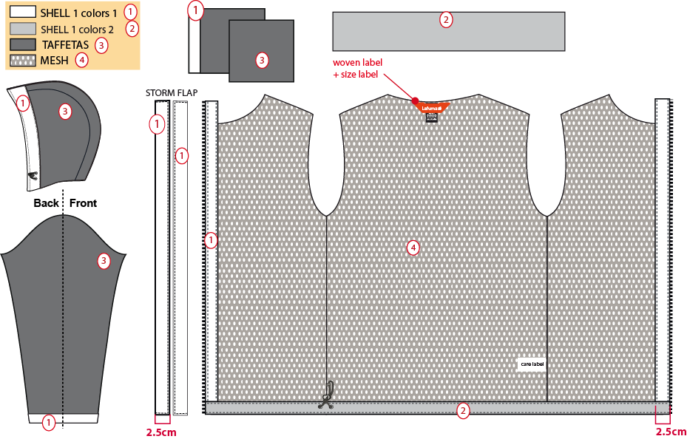
表布B
內領為表布B
210T布
門襟表布A內貼寬2.5cm。
網布
內領夾車吊掛式主標+尺寸標。

帽簷內貼表布A,內穿彈繩,由左/右內側各兩顆10mm雞眼穿出+繩扣+小淚珠+迴紋帶(L:1.5cm)固定於內貼&帽裏剪接。

袖裏210T布,袖口內貼表布A,高1"。

穿者右側內擋風片,寬2.5cm。
下襬內貼H:1"表布B,壓單針,內穿彈繩由穿者右側兩顆10mm雞眼穿出+繩扣+迴紋帶(L:1.5cm)。

COLOR SKETCH
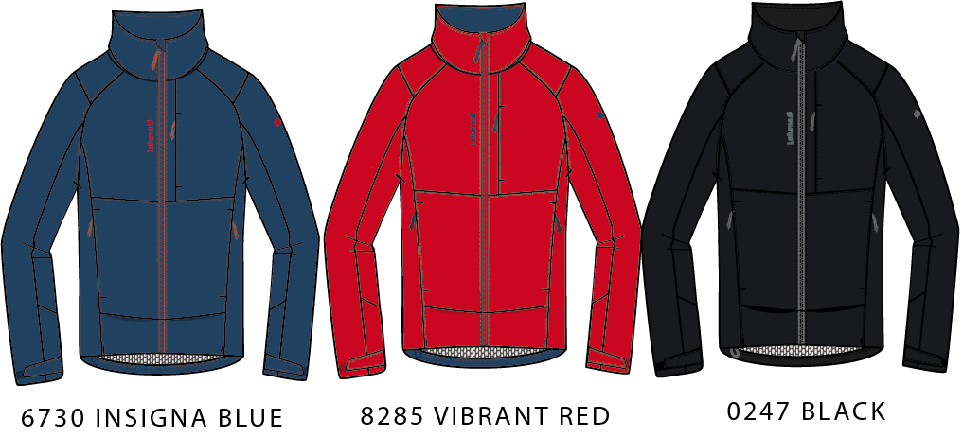
 |  | COLOR SKETCH |  | WINTER 2018/19
LFV11301 |  |  | WAY JKT | INDEX | V1BULK
FABRIC / SUPPLIER : DT-1693 / DRYTEX |  |  |  | DEVELOPPER |  | Marjorie
DATE | 2018-01-08 |  |  | SUPPLIER : |  | PRIMA CHANNEL

COLOR COMBINATION
 |  | COLOR COMBINATION |  |  |  |  |  |  |  | WINTER 2018/19
LFV11301 |  |  |  | WAY JKT |  |  |  |  |  | INDEX | V1BULK
FABRIC / SUPPLIER : DT-1693 / DRYTEX |  |  |  |  |  |  |  |  |  | DEVELOPPER |  |  | Marjorie
DATE | 2018-01-08 |  |  |  |  |  |  |  |  | SUPPLIER : |  |  | PRIMA CHANNEL
FABRIC OUTER JKT |  |  |  |  |  |  | INSIGNA BLUE 6730 | VIBRANT RED 8285 | BLACK 0247
SHELL 1 COLORS 1 DT-1693 |  |  |  | DRYTEX | GARMENT |  | INSIGNA BLUE | VIBRANT RED | NOIR
SHELL 1 COLORS 2 DT-1693 |  |  |  | DRYTEX | INSIDE COLLAR + BOTTOM HEM |  | INSIGNA BLUE | INSIGNA BLUE | NOIR
MESH |  |  |  | LOCAL | BODY |  | BLACK | BLACK | BLACK
NYLON 210T |  |  |  | LOCAL | SLEEVES LINING + HOOD + POCKET BAG |  | BLACK | BLACK | BLACK
CRITICAL SEAM TAPE |  |  |  | LOCAL | HOOD / COLLAR / SHOULDER / ARMHOLE |  | CLEAR | CLEAR | CLEAR
TRIMMING AND ACCESSORIES OUTER JKT
 | DESCRIPTION |  | REF | SUPPLIER | DESIGNATION | QTY | INSIGNA BLUE 6730 | VIBRANT RED 8285 | BLACK 0247 | XS | S | M | L | XL | XXL
Zipper VISLON # 5 - 1WAY - separable- autolock SD51MA.RT |  |  |  | MAX zipper | Front zip | 1 | VIBRANT RED / INSIGNA BLUE TAPE: 820 TEETH: 196 SLIDER: 196 | INSIGNA BLUE / VIBRANT RED TAPE: 196 TEETH: 820 SLIDER: 820 | GREY / BLACK TAPE: 389 TEETH: 580 SLIDER: 580
Zipper REVERSE # 5 - 1WAY - Non separable - non lock SN52MAX |  |  |  | MAX zipper | Hands pockets under flap (2) Chest pocket (1) | 3 | 196 | 820 | 580
ZIPPER CORD 2 TONE 16cm |  |  | ZP070-E | UNITEX | Front opening (1) Front pockets (2) Chest pocket (1) | 4 | VIBRANT | NAVY | CARBONE
2,5mm ELASTIC CORD |  |  |  | LOCAL | Bottom adjustment (1) Hood adjustment (1) | 2 | BLACK | BLACK | BLACK
New mmg cord stopper 20mm+ slit |  |  | EIS15U-XMSTP01 | UNITEX | Bottom adjustment (1) Hood adjustment (2) | 3 | BLACK | BLACK | BLACK
10mm METAL EYELET |  |  |  | LOCAL | Bottom adjustment (2) Hood adjustment (4) | 6 | ANTIC SILVER | ANTIC SILVER | ANTIC SILVER
PLASTIC PEARL |  |  | CP-A1 | UNITEX | Hood adjustment (2) | 2 | BLACK | BLACK | BLACK
10mm NYLON WEBBING |  |  |  | LOCAL | Bottom adjustment (2) Hood adjustment (2) | 4 | BLACK | BLACK | BLACK
VELCRO FEMALE (rounded corner) 12x60mm |  |  |  | LOCAL / PAHIO | hood (3) collar (3) | 6 | TONE ON TONE T0535 | TONE ON TONE T0137 | TONE ON TONE BLACK
VELCRO MALE (rounded corner) 12x60mm |  |  |  | LOCAL / PAHIO | collar flap (3) | 3 | TONE ON TONE T0535 | TONE ON TONE T0137 | TONE ON TONE BLACK
VELCRO FEMALE ( rounded corner) 20x80mm |  |  |  | LOCAL / PAHIO | Back hood adjustment on GARMENT | 1 | TONE ON TONE T0535 | TONE ON TONE T0137 | TONE ON TONE BLACK
VELCRO MALE ( rounded corner) 20x60mm |  |  |  | LOCAL / PAHIO | Back hood adjustment on FLAP | 1 | TONE ON TONE T0535 | TONE ON TONE T0137 | TONE ON TONE BLACK
VELCRO FEMALE ( rounded corner) 20x100mm |  |  |  | LOCAL / PAHIO | Cuff adjustment on GARMENT | 2 | TONE ON TONE T0535 | TONE ON TONE T0137 | TONE ON TONE BLACK
VELCRO MALE ( rounded corner) 20x60mm |  |  |  | LOCAL / PAHIO | Cuff adjustment on FLAP | 2 | TONE ON TONE T0535 | TONE ON TONE T0137 | TONE ON TONE BLACK
MARKING OUTER JKT
EMBROIDERY LAFUMA 72 mm |  |  |  | MING SHANG | Right front / top | 1 | VIBRANT RED 10007 | INSIGNA BLUE 40002 | GREY F488
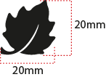 EMBROIDERY LAFUMA FEUILLE 20 mm |  |  |  | MING SHANG | Left sleeve / top | 1 | VIBRANT RED 10007 | INSIGNA BLUE 40002 | GREY F488
 CLIMACTIVE WOVEN FLY |  |  | LW050-E | TRIPLE STAR | Bottom LEFT back | 1 | STANDARD BLACK | STANDARD BLACK | STANDARD BLACK
LABELS OUTER JKT
MAIN LABEL medium size |  |  | LW034-E | SML | Neckline / centered | 1 | ORANGE
SIZE WOVEN LABEL MMG MEN ALPHA/TOP |  |  | LWS18-01 | SML | Neckline / centered | 1 | STANDARD
Care Label & P.O. Label |  |  | LC011-E | LOCAL | left side seam | 1 | WHITE satin
HANG TAG
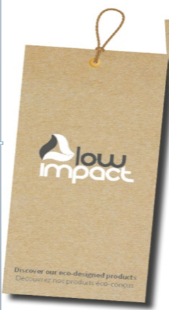 HANG TAG LOW IMPACT |  |  | HT394299-E | TRIPLE STAR | On top of corporate HT | 1 | STANDARD
 HANGTAG LAFUMA CORPORATE |  |  | SMALL HT-394082-E | TRIPLE STAR | Left side pocket | 1 | STANDARD
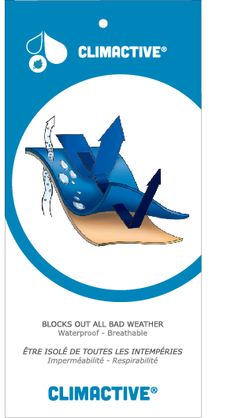 HANG TAG CLIMACTIVE |  |  | SMALL HT394146-E | TRIPLE STAR | Refer artwork for position | 1 | STANDARD
 HANG TAG PFC FREE |  |  | HT394145-E | TRIPLE STAR | On back of corporate HT | 1 | STANDARD
 GENCODE STICKER |  |  |  | LOCAL |  | 2
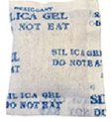 SILICA GEL DMF U FREE 5gr |  |  |  | LOCAL |  | 1
 POLYBAG |  |  |  | LOCAL |  | 1
 |  |  |  | LOCAL |  | 1

MARKING
 |  | MARKING |  |  | WINTER 2018/19
LFV11301 |  |  |  |  | INDEX | V1BULK
FABRIC / SUPPLIER : DT-1693 / DRYTEX |  |  |  |  | DEVELOPPER |  | Marjorie
DATE | 2018-01-08 |  |  |  | SUPPLIER : |  | PRIMA CHANNEL
DESIGNATION |  |  |  | POSITION
LAFUMA+楓葉繡花7.2cm
領圍下8cm
距門襟拉鍊1.5cm
EMBROIDERY LAFUMA 72 mm |  |  | RIGHT TOP FRONT * VERTICAL POSITION : 8cm from front neck drop * ALONG FRONT: 1 ,5 cm from center front
楓葉繡花2cm
肩點下8cm
EMBROIDERY LAFUMA FEUILLE 20 mm |  |  | LEFT TOP SLEEVE 8 cm from top sleeve
織標LW050-E
穿者左後脇邊,下襬上7cm
CLIMACTIVE WOVEN FLY |  |  | LEFT SIDE SEAM * 7cm from bottom

JACKET SKETCH MEASUREMENTS
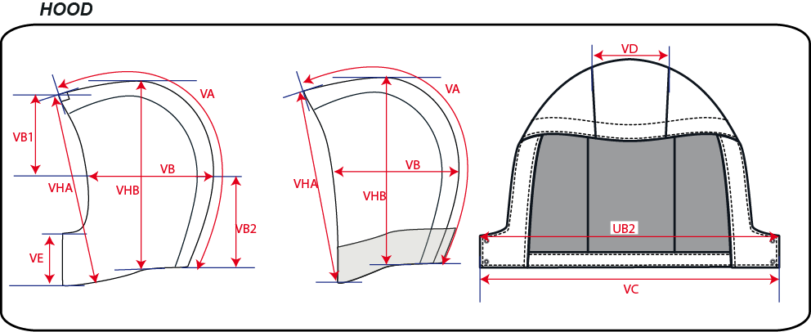
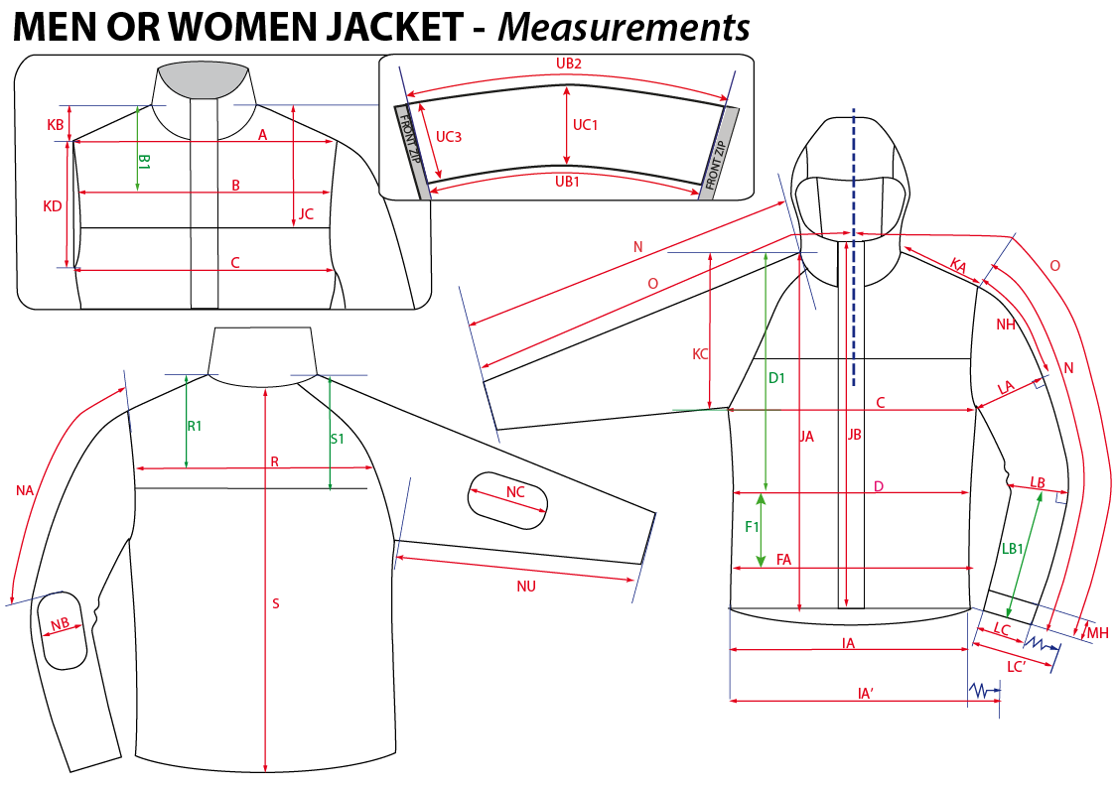
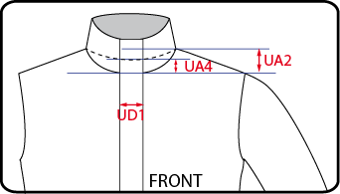
 |  | HOW TO TAKE MEASUREMENTS | WINTER 2018/19
LFV11301 |  |  |  | INDEX | V1BULK
FABRIC / SUPPLIER : DT-1693 / DRYTEX |  |  | DEVELOPPER |  | Marjorie
DATE | 2018-01-08 |  | SUPPLIER : |  | PRIMA CHANNEL

HANG TAGS
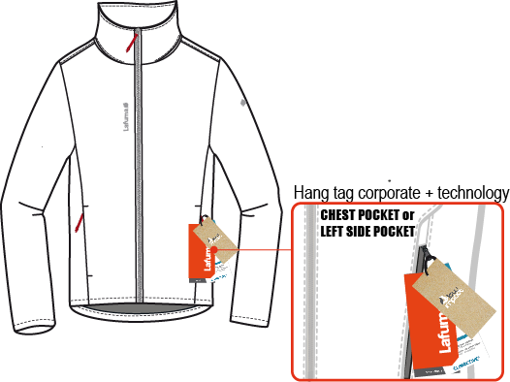
 |  | HOW TO ATTACH HANG TAGS | WINTER 2018/19
LFV11301 |  |  |  | INDEX | V1BULK
FABRIC / SUPPLIER : DT-1693 / DRYTEX |  |  | DEVELOPPER |  | Marjorie
DATE | 2018-01-08 |  | SUPPLIER : |  | PRIMA CHANNEL

